Queries
-- Find Top 5 selling products (by transaction frequency) SELECT -- 2 columns: product_name and purchase_count (calculated column) product_name, COUNT(transaction_table.product_id) purchase_count --count of the number of product_ids for every transaction FROM tutorial.excel_sql_inventory_data inventory_table JOIN tutorial.excel_sql_transaction_data transaction_table --Join all information of the two tables on the shared key, "product_id" ON transaction_table.product_id = inventory_table.product_id GROUP BY product_name --Column to aggregate by ORDER BY purchase_count --Organize purchase count of products from best selling to least DESC LIMIT 5 --Return top 5 results only | 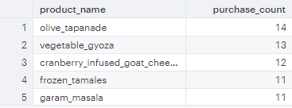
--Query to return time, product_name, and price_unit from all tables for all transactions that occurred before Jan. 7, 2016 SELECT --Select 3 columns: time, product_name, price_unit transaction_table.time AS time, product_name, price_unit FROM tutorial.excel_sql_inventory_data inventory_table JOIN tutorial.excel_sql_transaction_data transaction_table --Join two tables on shared key. "product_id" ON transaction_table.product_id = inventory_table.product_id WHERE time <= '2016-01-07 00:00:00' --Return all results before Jan. 7, 2016 | Returned a csv file to export with time, price_unit, and product_name

Pivot Table
Total Sales Generated per Hour for Transactions before January 7, 2016

